Fuel Economy by Vehicle Type
Average Fuel Economy by Major Vehicle Category
Average Fuel Economy by Major Vehicle Category |  |  |  |  |  |  |  |  |  |  |  |  |  |  |  |  | (using 34.34 mj per litre)
Vehicle Type | MPG Gasoline | MPG Diesel | Source |  |  |  |  |  |  |  |  |  |  |  |  |  | gj/km | km/gj gasoline | wh/km | pj/km | km/pj | mpg to km/pj
Refuse Truck | 2.5 | 2.8 | A |  |  |  |  |  |  |  |  |  |  |  |  |  | 0.0326 | 30.68 | 9055.04327 | 3.2598155771E-08 | 3.07E+07 | 12379573.061
Transit Bus | 3.3 | 3.7 | B |  |  |  |  |  |  |  |  |  |  |  |  |  | 0.0247 | 40.54 | 6852.46518 | 2.4668874637E-08 | 4.05E+07 | 12379573.061
Class 8 Truck | 5.3 | 6.0 | C |  |  |  |  |  |  |  |  |  |  |  |  |  | 0.0152 | 65.74 | 4225.68686 | 1.5212472693E-08 | 6.57E+07 | 12379573.061
School Bus | 6.2 | 7.0 | D |  |  |  |  |  |  |  |  |  |  |  |  |  | 0.0130 | 76.69 | 3622.01731 | 1.3039262308E-08 | 7.67E+07 | 12379573.061
Delivery Truck | 6.5 | 7.4 | C |  |  |  |  |  |  |  |  |  |  |  |  |  | 0.0124 | 80.96 | 3430.86890 | 1.2351128032E-08 | 8.10E+07 | 12379573.061
Paratransit Shuttle | 7.1 | 8.0 | B |  |  |  |  |  |  |  |  |  |  |  |  |  | 0.0114 | 87.65 | 3169.26514 | 1.140935452E-08 | 8.76E+07 | 12379573.061
Light Truck/Van | 17.5 | 19.8 | C |  |  |  |  |  |  |  |  |  |  |  |  |  | 0.0046 | 216.64 | 1282.19413 | 4.6158988571E-09 | 2.17E+08 | 12379573.061
Car | 24.2 | 27.3 | C |  |  |  |  |  |  |  |  |  |  |  |  |  | 0.0033 | 299.59 | 927.20650 | 3.3379433884E-09 | 3.00E+08 | 12379573.061
Ridesourcing Vehicle | 25.5 | 28.8 | E |  |  |  |  |  |  |  |  |  |  |  |  |  | 0.0032 | 315.68 | 879.93715 | 3.1677737255E-09 | 3.16E+08 | 12379573.061
Motorcycle | 44.0 | 49.7 | C |  |  |  |  |  |  |  |  |  |  |  |  |  | 0.0018 | 544.70 | 509.96357 | 1.8358688636E-09 | 5.45E+08 | 12379573.061
 |  |  |  |  |  |  |  |  |  |  |  |  |  |  |  |  | 0.0007 | 1424.50 | 195 | avg ev | 1.42E+09 | #DIV/0!

Data Sources:
A: Gordon, Deborah, Juliet Burdelski, and James S. Cannon. Greening Garbage Trucks: New Technologies for Cleaner Air. Inform, Inc. 2003. ISBN #0-918780-80-2. |  |  |  |  |  |  |  |  |  |  |  |  |  |  |  |  | 1.83590064E-07 | 0.183590064
B: Calculated from statistics found in American Public Transit Association's Public Transportation Fact Book 2019. Accessed 02/11/2020 at: apta.com/wp-content/uploads/APTA_Fact-Book-2019_FINAL.pdf
C: Federal Highway Administration. Highway Statistics 2018, Table VM-1. Accessed 02/11/20 at fhwa.dot.gov/policyinformation/statistics/2018/pdf/vm1.pdf |  |  |  |  |  |  |  |  |  |  |  |  |  |  |  |  | alt (using 31.5 mj per litre)
D: American School Bus Council. National School Bus Fuel Data. Accessed 11/21/18 at americanschoolbuscouncil.org/insights/environment/ |  |  |  | gasoline energy content (gJ/g) | gasoline energy content (J/g) | gasoline energy content (J/l) | gasoline energy content (MJ/l) | km per miles | litres per gallon | joules per gallon | joules per litre | Gj per gallon | Gj per litre | Mj per gallon | wh per gj | other energy content mj/l | gj/km | km/gj gasoline | wh/km | pj/km | km/pj | mpg to km/pj
E: Wenzel, Tom, Clement Rames, Eleftheria Kontou, and Alejandro Henao. "Travel and energy implications of ridesourcing service in Austin, Texas." Transportation Research Part D: Transport and Environment 70 (2019): 18-34. |  |  |  | 1.19E-01 | 1.19E+08 | 3.15E+07 | 31.5 | 1.6093444979 | 3.78541 | 1.30E+08 | 3.43E+07 | 1.30E-01 | 0.03 | 130.00 | 277777.77778 | 34.342382992 | 0.0299 | 33.44 | 8305.59321 | 2.9900135556E-08 | 3.34E+07 | 13496636.169
 |  |  |  |  |  |  |  |  |  |  |  |  |  |  |  |  | 0.0226 | 44.19 | 6285.31378 | 2.262712961E-08 | 4.42E+07 | 13496636.169
Notes: |  |  |  |  |  |  |  |  |  |  |  |  |  |  |  |  | 0.0140 | 71.67 | 3875.94350 | 1.3953396593E-08 | 7.17E+07 | 13496636.169
The metric used is gasoline gallon equivalents (GGEs), representing a quantity of fuel with the same amount of energy contained in a gallon of gasoline. |  |  |  | Joule per gj | joule per mj | gj per pj | wh per kwh |  |  |  |  |  |  |  |  |  | 0.0120 | 83.61 | 3322.23728 | 1.1960054223E-08 | 8.36E+07 | 13496636.169
Numbers in bold indicate that the measurements were taken using that fuel. They are the source of the non-bold energy based conversions. |  |  |  | 1.00E+09 | 1000000 | 1.00E+06 | 1000 |  |  |  |  |  |  |  |  |  | 0.0113 | 88.27 | 3146.90947 | 1.1328874094E-08 | 8.83E+07 | 13496636.169
Conversion between diesel and gasoline is 1 gallon gasoline = 0.885 gallons diesel (from the AFDC) |  |  |  |  |  |  |  |  |  |  |  |  |  |  |  |  | 0.0105 | 95.56 | 2906.95762 | 1.0465047445E-08 | 9.56E+07 | 13496636.169
Light-duty vehicles are sales-weighted combination of cars, wagons, vans, sport utility vehicles, and pickups. Vehicles with short wheelbases (<121") are generalized as cars and vehicles with long wheelbases are generalized as light trucks. |  |  |  |  |  |  |  |  |  |  |  |  |  |  |  |  | 0.0042 | 236.19 | 1176.07200 | 4.2338591948E-09 | 2.36E+08 | 13496636.169
Delivery trucks are single-unit trucks with 2 axles and 6 or more tires. |  |  |  |  |  |  |  |  |  |  |  |  |  |  |  |  | 0.0031 | 326.62 | 850.46529 | 3.0616750376E-09 | 3.27E+08 | 13496636.169
Class 8 trucks are combined tractor/trailer trucks, also know as long-haul. |  |  |  |  |  |  |  |  |  |  |  |  |  |  |  |  | 0.0029 | 344.16 | 807.10823 | 2.9055896435E-09 | 3.44E+08 | 13496636.169
Transit buses include both conventional diesel and hybrid-electric diesel. |  |  |  |  |  |  |  |  |  |  |  |  |  |  |  |  | 0.0017 | 593.85 | 467.75591 | 1.6839212707E-09 | 5.94E+08 | 13496636.169

Acronyms:
MPG: Miles per gallon

Worksheet available at afdc.energy.gov/data
Last updated 02/11/2020

aus ev conversions
gasoline energy content (gJ/g) | gasoline energy content (J/g) | gasoline energy content (J/l) | gasoline energy content (MJ/l) | km per miles | litres per gallon | joules per gallon | joules per litre | Gj per gallon | Gj per litre | Mj per gallon | wh per gj | other energy content mj/l
1.19E-01 | 1.19E+08 | 3.15E+07 | 31.5 | 1.6093444979 | 3.78541 | 1.30E+08 | 3.43E+07 | 1.30E-01 | 0.03 | 130.00 | 277777.77778 | 34.342382992
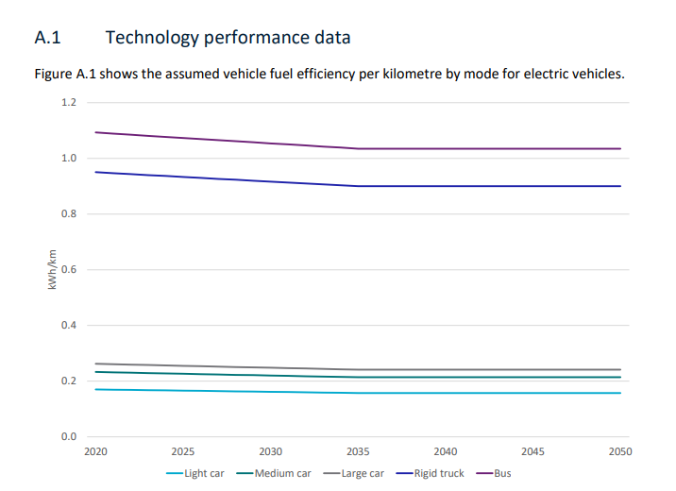

Joule per gj | joule per mj | gj per pj | wh per kwh
1.00E+09 | 1000000 | 1.00E+06 | 1000

 | kwh/km | gj/km | pj/billion-km | bkm/pj
 | 0.2 | 0.00072 | 7.20E-01 | 1.39E+00
 | 1 | 0.0036 | 3.60E+00 | 2.78E-01

